H2 hypothesis test
Blind Man Dilemma (House Scene)
 | Hypothesis Test Summary |  |  |  |  | Independent-Samples Mann-Whitney U Test Summary
 |  | Null Hypothesis | Test | Sig. | Decision | Total N | 96
 | 1 | The distribution of A2_morality_norm is the same across categories of DecisionMoralityBlindMan | Independent-Samples Mann-Whitney U Test | 0.034 | Reject the null hypothesis. | Mann-Whitney U | 960.5
 | Asymptotic significances are displayed. The significance level is ,050. |  |  |  |  | Wilcoxon W | 3963.5
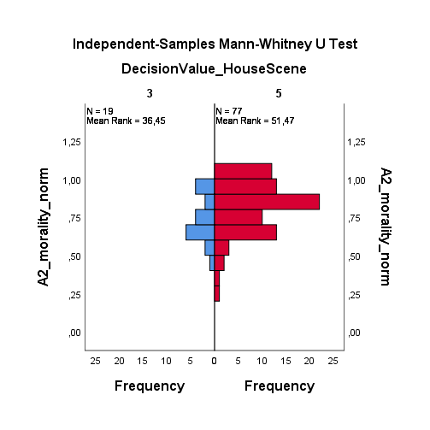
 |  |  |  |  |  | Test Statistic | 960.5
 |  |  |  |  |  | Standard Error | 107.736
 |  |  |  |  |  | Standardized Test Statistic | 2.126
 |  |  |  |  |  | Asymptotic Sig.(2-sided test) | 0.034

 |  |  |  |  |  | Case Processing Summary
 |  |  |  |  |  | DecisionValue_HouseScene

 |  |  |  |  |  |  |  | N | Percent | N | Percent | N | Percent
 |  |  |  |  |  | A2_morality_norm | 3 | 19 | 100.0% | 0 | 0.0% | 19 | 100.0%
 |  |  |  |  |  |  | 5 | 77 | 100.0% | 0 | 0.0% | 77 | 100.0%

H3 hypothesis test
Homeless Person Dilemma (Metro Scene)
 | Case Processing Summary |  |  |  |  |  |  |  |  | Independent-Samples Kruskal-Wallis Test Summary
 | DecisionMoralityHomelessPerson |  |  |  |  |  |  |  |  | Total N | 96
 |  |  |  |  |  |  |  |  |  | Test Statistic | 4,728a,b
 |  |  | N | Percent | N | Percent | N | Percent |  | Degree Of Freedom | 2
 | A2_morality_norm | 1 | 15 | 100.0% | 0 | 0.0% | 15 | 100.0% |  | Asymptotic Sig.(2-sided test) | 0.094
 |  | 3 | 39 | 100.0% | 0 | 0.0% | 39 | 100.0% |  | a The test statistic is adjusted for ties.
 |  | 5 | 42 | 100.0% | 0 | 0.0% | 42 | 100.0% |  | b Multiple comparisons are not performed because the overall test does not show significant differences across samples.

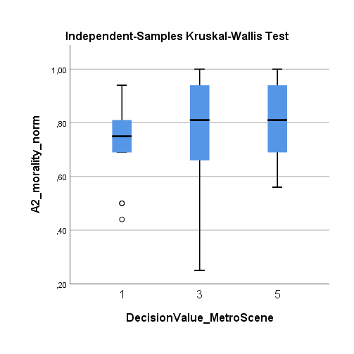
 | Hypothesis Test Summary
 |  | Null Hypothesis | Test | Sig. | Decision
 | 1 | The distribution of A2_morality_norm is the same across categories of DecisionMoralityHomelessPerson | Independent-Samples Kruskal-Wallis Test | 0.094 | Retain the null hypothesis.
 | Asymptotic significances are displayed. The significance level is ,050.

 | Independent Samples Test for scores 3 and 5 |  |  |  |  |  |  |  |  |  |  | Group Statistics
 |  | Levene's Test for Equality of Means |  |  | t-test for Equality of Means |  |  |  |  |  |  | DecisionValue_MetroScene |  | N | Mean | Std. Deviation | Std. Error Mean
 |  |  |  |  | t | df | Sig. (2-tailed) | Mean Difference | Std. Error Difference | 95% Confidence Interval of the Difference |  | A1_trust_norm | 3 | 39 | 0.5946 | 0.18680 | 0.02991
 |  |  | F | Sig. |  |  |  |  |  | Lower | Upper |  | 5 | 42 | 0.5933 | 0.20113 | 0.03103
 | A1_trust_norm | Equal variances assumed | 0.238 | 0.627 | 0.030 | 79 | 0.976 | 0.00128 | 0.04322 | -0.08475 | 0.08731 | A2_morality_norm | 3 | 39 | 0.7705 | 0.18375 | 0.02942
 |  | Equal variances not assumed |  |  | 0.030 | 79.000 | 0.976 | 0.00128 | 0.04310 | -0.08451 | 0.08708 |  | 5 | 42 | 0.8300 | 0.13327 | 0.02056
 | A2_morality_norm | Equal variances assumed | 1.773 | 0.187 | -1.677 | 79 | 0.098 | -0.05949 | 0.03548 | -0.13011 | 0.01114 | A3_altruism_norm | 3 | 39 | 0.7592 | 0.12493 | 0.02000
 |  | Equal variances not assumed |  |  | -1.657 | 68.944 | 0.102 | -0.05949 | 0.03590 | -0.13110 | 0.01213 |  | 5 | 42 | 0.8348 | 0.12740 | 0.01966
 | A3_altruism_norm | Equal variances assumed | 1.598 | 0.210 | -2.691 | 79 | 0.009 | -0.07553 | 0.02807 | -0.13140 | -0.01966 | A4_cooperation_norm | 3 | 39 | 0.7067 | 0.17033 | 0.02727
 |  | Equal variances not assumed |  |  | -2.693 | 78.757 | 0.009 | -0.07553 | 0.02805 | -0.13136 | -0.01970 |  | 5 | 42 | 0.7857 | 0.18003 | 0.02778
 | A4_cooperation_norm | Equal variances assumed | 0.000 | 0.989 | -2.026 | 79 | 0.046 | -0.07905 | 0.03901 | -0.15670 | -0.00140 | A5_modesty_norm | 3 | 39 | 0.5631 | 0.20895 | 0.03346
 |  | Equal variances not assumed |  |  | -2.030 | 78.969 | 0.046 | -0.07905 | 0.03893 | -0.15654 | -0.00156 |  | 5 | 42 | 0.6340 | 0.17879 | 0.02759
 | A5_modesty_norm | Equal variances assumed | 0.371 | 0.544 | -1.646 | 79 | 0.104 | -0.07097 | 0.04311 | -0.15679 | 0.01485 | A6_sympathy_norm | 3 | 39 | 0.6587 | 0.15783 | 0.02527
 |  | Equal variances not assumed |  |  | -1.637 | 75.073 | 0.106 | -0.07097 | 0.04337 | -0.15736 | 0.01542 |  | 5 | 42 | 0.7510 | 0.17871 | 0.02757
 | A6_sympathy_norm | Equal variances assumed | 1.183 | 0.280 | -2.454 | 79 | 0.016 | -0.09223 | 0.03758 | -0.16703 | -0.01744
 |  | Equal variances not assumed |  |  | -2.466 | 78.811 | 0.016 | -0.09223 | 0.03740 | -0.16669 | -0.01778
 | Statistically significant values are in bold

H4 hypothesis test
Robbery Dilemma
 | Case Processing Summary |  |  |  |  |  |  |  |  | Independent-Samples Kruskal-Wallis Test Summary
 | DecisionMoralityRobberyScene |  |  |  |  |  |  |  |  | Total N | 96
 |  |  |  |  |  |  |  |  |  | Test Statistic | 4,745a,b
 |  |  | N | Percent | N | Percent | N | Percent |  | Degree Of Freedom | 2
 | A2_morality_norm | 2 | 13 | 100.0% | 0 | 0.0% | 13 | 100.0% |  | Asymptotic Sig.(2-sided test) | 0.093
 |  | 3 | 27 | 100.0% | 0 | 0.0% | 27 | 100.0% |  | a. The test statistic is adjusted for ties.
 |  | 4 | 56 | 100.0% | 0 | 0.0% | 56 | 100.0% |  | b. Multiple comparisons are not performed because the overall test does not show significant differences across samples.

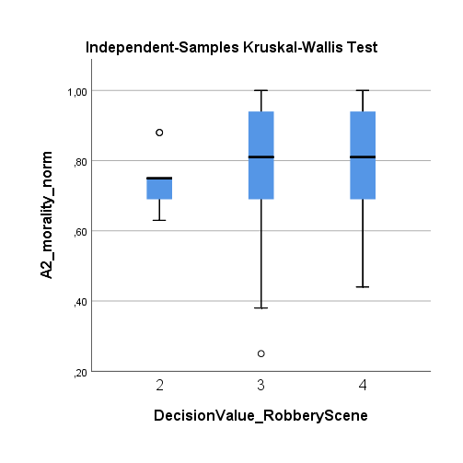
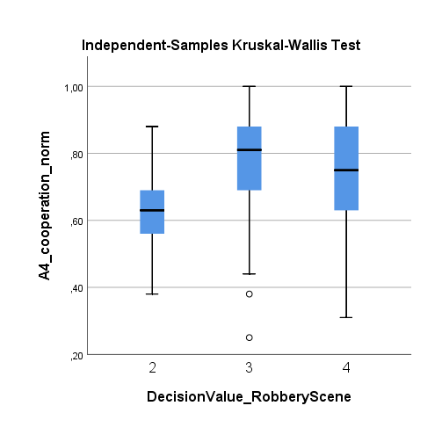
 | Hypothesis Test Summary
 |  | Null Hypothesis | Test | Sig. | Decision
 | 1 | The distribution of A2_morality_norm is the same across categories of DecisionMoralityRobberyScene | Independent-Samples Kruskal-Wallis Test | 0.093 | Retain the null hypothesis.
 | Asymptotic significances are displayed. The significance level is ,050.

 | Group Statistics |  |  |  |  |  |  |  | Independent Samples Test for scores 2 and 4
 | DecisionValue_RobberyScene |  | N | Mean | Std. Deviation | Std. Error Mean |  |  |  | Levene's Test for Equality of Means |  |  | t-test for Equality of Means
 | A1_trust_norm | 4 | 56 | 0.5884 | 0.18421 | 0.02462 |  |  |  |  |  |  | t | df | Sig. (2-tailed) | Mean Difference | Std. Error Difference | 95% Confidence Interval of the Difference
 |  | 2 | 13 | 0.5592 | 0.17481 | 0.04848 |  |  |  |  | F | Sig. |  |  |  |  |  | Lower | Upper
 | A2_morality_norm | 4 | 56 | 0.8113 | 0.15629 | 0.02088 |  |  | A1_trust_norm | Equal variances assumed | 0.014 | 0.905 | 0.519 | 67 | 0.606 | 0.02916 | 0.05620 | -0.08302 | 0.14135
 |  | 2 | 13 | 0.7377 | 0.07715 | 0.02140 |  |  |  | Equal variances not assumed |  |  | 0.536 | 18.713 | 0.598 | 0.02916 | 0.05437 | -0.08476 | 0.14309
 | A3_altruism_norm | 4 | 56 | 0.7663 | 0.14501 | 0.01938 |  |  | A2_morality_norm | Equal variances assumed | 7.162 | 0.009 | 1.644 | 67 | 0.105 | 0.07356 | 0.04474 | -0.01574 | 0.16285
 |  | 2 | 13 | 0.7700 | 0.13342 | 0.03700 |  |  |  | Equal variances not assumed |  |  | 2.460 | 38.190 | 0.019 | 0.07356 | 0.02990 | 0.01304 | 0.13408
 | A4_cooperation_norm | 4 | 56 | 0.7346 | 0.18852 | 0.02519 |  |  | A3_altruism_norm | Equal variances assumed | 1.217 | 0.274 | -0.085 | 67 | 0.932 | -0.00375 | 0.04403 | -0.09162 | 0.08412
 |  | 2 | 13 | 0.6223 | 0.14066 | 0.03901 |  |  |  | Equal variances not assumed |  |  | -0.090 | 19.170 | 0.929 | -0.00375 | 0.04177 | -0.09112 | 0.08362
 | A5_modesty_norm | 4 | 56 | 0.5884 | 0.21455 | 0.02867 |  |  | A4_cooperation_norm | Equal variances assumed | 2.617 | 0.110 | 2.017 | 67 | 0.048 | 0.11234 | 0.05569 | 0.00119 | 0.22348
 |  | 2 | 13 | 0.4862 | 0.13276 | 0.03682 |  |  |  | Equal variances not assumed |  |  | 2.419 | 23.213 | 0.024 | 0.11234 | 0.04644 | 0.01632 | 0.20835
 | A6_sympathy_norm | 4 | 56 | 0.6882 | 0.17735 | 0.02370 |  |  | A5_modesty_norm | Equal variances assumed | 2.835 | 0.097 | 1.641 | 67 | 0.105 | 0.10224 | 0.06230 | -0.02210 | 0.22658
 |  | 2 | 13 | 0.6508 | 0.11906 | 0.03302 |  |  |  | Equal variances not assumed |  |  | 2.191 | 28.663 | 0.037 | 0.10224 | 0.04667 | 0.00675 | 0.19773
 |  |  |  |  |  |  |  |  | A6_sympathy_norm | Equal variances assumed | 2.176 | 0.145 | 0.722 | 67 | 0.473 | 0.03745 | 0.05184 | -0.06603 | 0.14092
 |  |  |  |  |  |  |  |  |  | Equal variances not assumed |  |  | 0.921 | 26.039 | 0.365 | 0.03745 | 0.04064 | -0.04609 | 0.12098
 |  |  |  |  |  |  |  |  | Statistically significant values are in bold

 | Hypothesis Test Summary |  |  |  |  |  |  |  | Independent Samples Test for scores 3 and 4
 |  | Null Hypothesis | Test | Sig. | Decision |  |  |  |  | Levene's Test for Equality of Means |  |  | t-test for Equality of Means
 | 1 | The distribution of A1_trust_norm is the same across categories of DecisionValue_RobberyScene. | Independent-Samples Mann-Whitney U Test | .a | Unable to compute. |  |  |  |  |  |  |  | t | df | Sig. (2-tailed) | Mean Difference | Std. Error Difference | 95% Confidence Interval of the Difference
 | 2 | The distribution of A1_trust_norm is the same across categories of DecisionValue_RobberyScene. | Independent-Samples Kruskal-Wallis Test | 0.666 | Retain the null hypothesis. |  |  |  |  |  | F | Sig. |  |  |  |  |  | Lower | Upper
 | 3 | The distribution of A2_morality_norm is the same across categories of DecisionValue_RobberyScene. | Independent-Samples Mann-Whitney U Test | .a | Unable to compute. |  |  |  | A1_trust_norm | Equal variances assumed | 0.074 | 0.786 | -0.377 | 81 | 0.707 | -0.01679 | 0.04456 | -0.10545 | 0.07186
 | 4 | The distribution of A2_morality_norm is the same across categories of DecisionValue_RobberyScene. | Independent-Samples Kruskal-Wallis Test | 0.093 | Retain the null hypothesis. |  |  |  |  | Equal variances not assumed |  |  | -0.365 | 47.380 | 0.717 | -0.01679 | 0.04605 | -0.10941 | 0.07583
 | 5 | The distribution of A3_altruism_norm is the same across categories of DecisionValue_RobberyScene. | Independent-Samples Mann-Whitney U Test | .a | Unable to compute. |  |  |  | A2_morality_norm | Equal variances assumed | 0.912 | 0.343 | 1.047 | 81 | 0.298 | 0.04162 | 0.03974 | -0.03746 | 0.12070
 | 6 | The distribution of A3_altruism_norm is the same across categories of DecisionValue_RobberyScene. | Independent-Samples Kruskal-Wallis Test | 0.133 | Retain the null hypothesis. |  |  |  |  | Equal variances not assumed |  |  | 0.970 | 42.687 | 0.338 | 0.04162 | 0.04293 | -0.04497 | 0.12821
 | 7 | The distribution of A4_cooperation_norm is the same across categories of DecisionValue_RobberyScene. | Independent-Samples Mann-Whitney U Test | .a | Unable to compute. |  |  |  | A3_altruism_norm | Equal variances assumed | 1.546 | 0.217 | -1.914 | 81 | 0.059 | -0.06116 | 0.03195 | -0.12472 | 0.00241
 | 8 | The distribution of A4_cooperation_norm is the same across categories of DecisionValue_RobberyScene. | Independent-Samples Kruskal-Wallis Test | 0.026 | Reject the null hypothesis. |  |  |  |  | Equal variances not assumed |  |  | -2.069 | 63.052 | 0.043 | -0.06116 | 0.02955 | -0.12021 | -0.00210
 | 9 | The distribution of A5_modesty_norm is the same across categories of DecisionValue_RobberyScene. | Independent-Samples Mann-Whitney U Test | .a | Unable to compute. |  |  |  | A4_cooperation_norm | Equal variances assumed | 0.898 | 0.346 | -0.651 | 81 | 0.517 | -0.02832 | 0.04352 | -0.11492 | 0.05828
 | 10 | The distribution of A5_modesty_norm is the same across categories of DecisionValue_RobberyScene. | Independent-Samples Kruskal-Wallis Test | 0.080 | Retain the null hypothesis. |  |  |  |  | Equal variances not assumed |  |  | -0.662 | 53.729 | 0.511 | -0.02832 | 0.04280 | -0.11414 | 0.05750
 | 11 | The distribution of A6_sympathy_norm is the same across categories of DecisionValue_RobberyScene. | Independent-Samples Mann-Whitney U Test | .a | Unable to compute. |  |  |  | A5_modesty_norm | Equal variances assumed | 0.204 | 0.653 | -0.202 | 81 | 0.841 | -0.00976 | 0.04835 | -0.10595 | 0.08644
 | 12 | The distribution of A6_sympathy_norm is the same across categories of DecisionValue_RobberyScene. | Independent-Samples Kruskal-Wallis Test | 0.269 | Retain the null hypothesis. |  |  |  |  | Equal variances not assumed |  |  | -0.211 | 58.135 | 0.833 | -0.00976 | 0.04613 | -0.10210 | 0.08259
 | Asymptotic significances are displayed. The significance level is ,050. |  |  |  |  |  |  |  | A6_sympathy_norm | Equal variances assumed | 0.436 | 0.511 | -1.203 | 81 | 0.233 | -0.04845 | 0.04029 | -0.12861 | 0.03170
 | a. The group field does not have exactly two values. |  |  |  |  |  |  |  |  | Equal variances not assumed |  |  | -1.247 | 56.569 | 0.217 | -0.04845 | 0.03884 | -0.12625 | 0.02935

H5 hypothesis test
...
DecisionMoralityThiefScene

 |  | N | Percent | N | Percent | N | Percent
A2_morality_norm | 0 | 40 | 100.0% | 0 | 0.0% | 40 | 100.0%
 | 1 | 3 | 100.0% | 0 | 0.0% | 3 | 100.0%
 | 2 | 5 | 100.0% | 0 | 0.0% | 5 | 100.0%
 | 4 | 32 | 100.0% | 0 | 0.0% | 32 | 100.0%
 | 5 | 16 | 100.0% | 0 | 0.0% | 16 | 100.0%

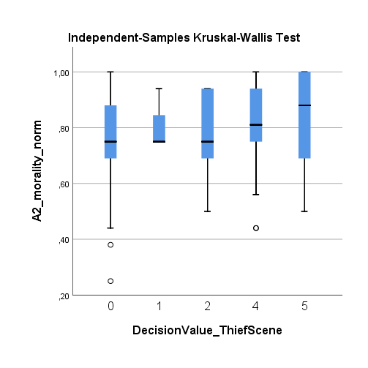
Hypothesis Test Summary
 | Null Hypothesis | Test | Sig. | Decision
1 | The distribution of A1_trust_norm is the same across categories of DecisionValue_ThiefScene. | Independent-Samples Mann-Whitney U Test | .a | Unable to compute.
2 | The distribution of A1_trust_norm is the same across categories of DecisionValue_ThiefScene. | Independent-Samples Kruskal-Wallis Test | 0.548 | Retain the null hypothesis.
3 | The distribution of A2_morality_norm is the same across categories of DecisionValue_ThiefScene. | Independent-Samples Mann-Whitney U Test | .a | Unable to compute.
4 | The distribution of A2_morality_norm is the same across categories of DecisionValue_ThiefScene. | Independent-Samples Kruskal-Wallis Test | 0.500 | Retain the null hypothesis.
5 | The distribution of A3_altruism_norm is the same across categories of DecisionValue_ThiefScene. | Independent-Samples Mann-Whitney U Test | .a | Unable to compute.
6 | The distribution of A3_altruism_norm is the same across categories of DecisionValue_ThiefScene. | Independent-Samples Kruskal-Wallis Test | 0.138 | Retain the null hypothesis.
7 | The distribution of A4_cooperation_norm is the same across categories of DecisionValue_ThiefScene. | Independent-Samples Mann-Whitney U Test | .a | Unable to compute.
8 | The distribution of A4_cooperation_norm is the same across categories of DecisionValue_ThiefScene. | Independent-Samples Kruskal-Wallis Test | 0.469 | Retain the null hypothesis.
9 | The distribution of A5_modesty_norm is the same across categories of DecisionValue_ThiefScene. | Independent-Samples Mann-Whitney U Test | .a | Unable to compute.
10 | The distribution of A5_modesty_norm is the same across categories of DecisionValue_ThiefScene. | Independent-Samples Kruskal-Wallis Test | 0.185 | Retain the null hypothesis.
11 | The distribution of A6_sympathy_norm is the same across categories of DecisionValue_ThiefScene. | Independent-Samples Mann-Whitney U Test | .a | Unable to compute.
12 | The distribution of A6_sympathy_norm is the same across categories of DecisionValue_ThiefScene. | Independent-Samples Kruskal-Wallis Test | 0.350 | Retain the null hypothesis.
Asymptotic significances are displayed. The significance level is ,050.
...

